Components of Graph
Components of a Graph

1. titles and footnotes
2. one or more cells that contain a composite of one or more plots
3. legends, which can reside inside or outside a cell
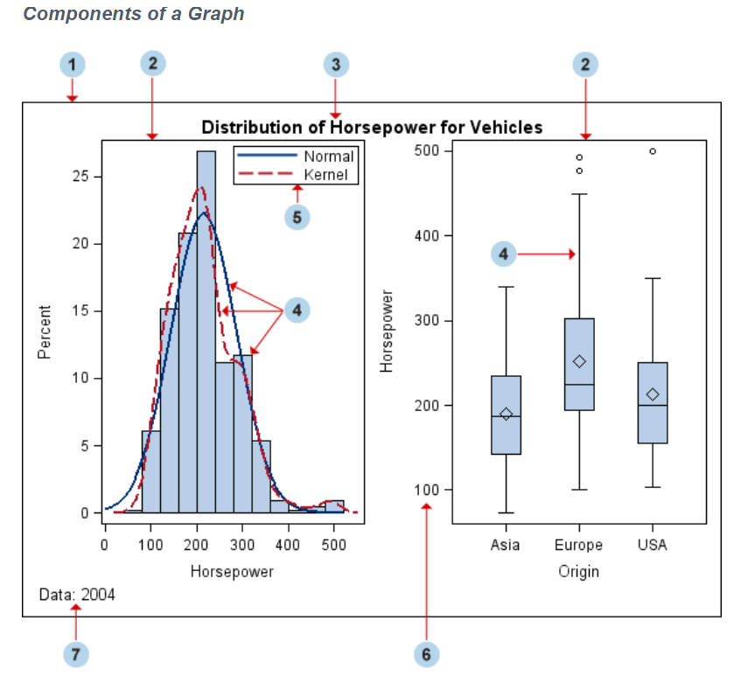

1. Graph
a visual representation of data. The graph can contain titles, footnotes, legends, and one or more cells that have one or more plots.

2. Cell
a distinct rectangular subregion of a graph that can contain plots, text, and legends.

3. Title
descriptive text that is displayed above any cell or plot areas in the graph.

4. Plot
a visual representation of data such as a scatter plot, a series line, a bar chart, or a histogram. Multiple plots can be overlaid in a cell.

5. Legend
refers collectively to the legend border, one or more legend entries (where each entry has a symbol and a corresponding label) and an optional legend title.

6. Axis
refers collectively to the axis line, the major and minor tick marks, the major tick mark values, and the axis label. Each cell has a set of axes that are shared by all the plots in the cell. In multi‐cell graphs, the columns and rows of cells can share common axes if the cells have the same data type.

7. Footnote
descriptive text that is displayed below any cell or plot areas in the graph.

